A-3.Internal Partition BOQ
Project | : M/s DTCC
Scope | : Drywall Partition
Date | Scope
Rev | : R0
Sl. No | Code | Description | Reference image | Dwg Reference | Make of Material | Location | Unit | Quantity | Rate (INR) | Amount | Remarks

7 |  | FIRE CURTAIN |  |  |  |  | SQM | 58.00 |  | ₹0.00
 |  | Supply, installation, Testing and Commissioning of active fire barrier automatic drop down fire curtains, as per Indian Standards – NBC 2016, European standards – BS EN 1634-1. Performance requirements – min 120 minutes integrity, radiation min 90 minutes <20kW/m2 for single barrel and radiation min 120 minutes <20kW/m2 for Multiple barrel. Active fire curtain barrier assemblies shall comprise of a fire resistant fabric which is wound on to a steel roller, which is powered by an internal electric DC motor, enclosed within a galvanized mild steel box 200*200/400mm, including a conjoined bottom bar for entire length to suit the deflection performance requirements of the project and the desired ceiling configuration in fitted to the bottom edge of the fabric curtain. 1. Curtain fabric – 120 minutes fire rating. 2.The fabric material is tested as part of the complete assembly, complete as either a single construction or as an overlapped and conjoined construction separately in the orientation and standard use of the application and installed in accordance with the fire resistance test in accordance with EN 1363-1 and EN 1634-2 as required by BS EN 1634-1. 3.The fabric material is tested independently to reaction to fire test in accordance with BS EN ISO 1716 to achieve an “A1” classification in accordance with BS EN 13501-1+A1. 4.The galvanised steel side Guides should be of dimensions 100*53mm made of 2mm thickness 5.180 minutes fire resistant (type of fabric) fabric Valmiera Glass UK-4415-2-SP complying with BS EN. 6.Electric motor – Motor shall contain the necessary drive mechanism, a mechanical epicyclip gearbox retarder, and automatic overload protection, linked to an internal 24V dc electromagnetic brake with regenerative braking system. Additionally, motors are tested for reliability, durability |  | 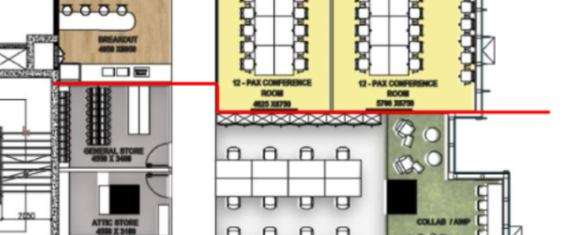 | Orient / Window tech or Approved equivalent. | 12 pax meeting room
 |  | Automatic Fire Curtains - 3 m (W) x 2.7 m (H) |  |  |  |  | Nos | 2.00 | ₹166,250.00 | ₹332,500.00
 |  | Automatic Fire Curtains - 4.8 m (W) x 2.7 m (H) |  |  |  |  | Nos | 2.00 | ₹222,500.00 | ₹445,000.00
 |  | Modular Partitions & Doors works subtotal C/O to C&I summary |  |  |  |  |  |  |  | 777,500
Terms & Conditions:
1.Payment Term: 50 % Advance againest PO and 50% before material dispatching
2. Delivery within 4-5weeks from date of release of purchase order approved drawing and advance payment.
3.Scaffolding support to hang the curtain will be provided by the client
4.However any civil work/civil modification location to install the curtain to be done by client
5.Installation is also included in the above price
6.Power supply for installation to be provided by client
7. All goods will remain the property of WindowTechs until paid for in full. We reserve the right to remove any units fitted by ourselves or others until full payment is received.
8.This quote is valid for 60 days only
9. As per Section 16 of the MSME Act, the buyer is liable to pay interest with the monthly rests to the supplier in case of non-payment or delayed payment. The interest is compounded at the rate of 24%.
Regards,
For Window Techs India Pvt.Ltd
Alistair Paiva

