Sheet1
 |  |  |  |  |  | Fabrics | per meter | Markup
 |  |  |  |  |  | Acaisa-Red | 10 | 2
Band A |  |  |  |  |  |  |  |  | Selling price comes from: Price Table |  | Selling price comes from: BOM
 |  |  |  |  |  | Components | Price | Markup
 | 1000 | 1100 | 1200 | 1300 | 1400 | Somfy motor | 50 | 2 | Width | 1000 | Width | 1000
1000 | 10 | 20 | 30 | 40 | 50 |  |  |  | Drop | 1000 | Drop | 1000
1100 | 20 | 78 | 78 | 635 | 5 |  |  |  | Product type | Band A | Product type | Band A
1200 | 30 | 63 | 6 | 4 | 6 |  |  |  | Fabrics | Acaisa-Red | Fabrics | Acaisa-Red | 10 | 20
1300 | 40 | 4 | 6 | 8 | 8 |  |  |  | Motors | Somfy motor | Motors | Somfy motor | 50 | 100
1400 | 50 | 54 |  | 5 | 9 |  |  |  |  |  | Net price |  |  | 120

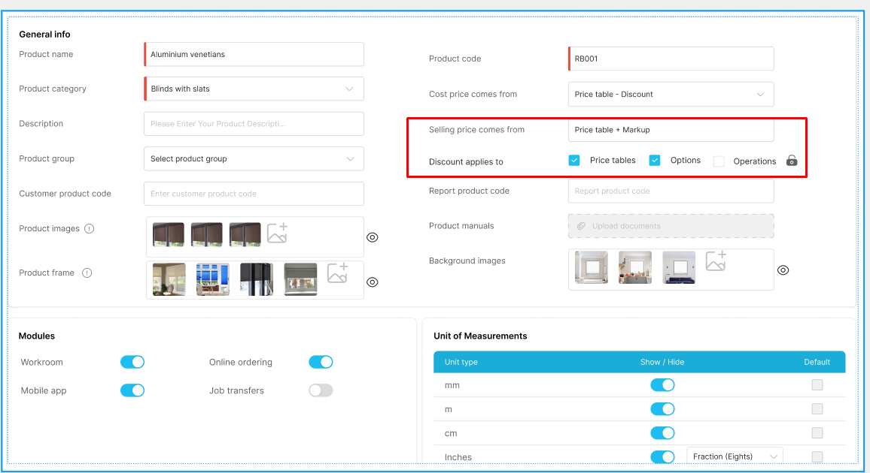
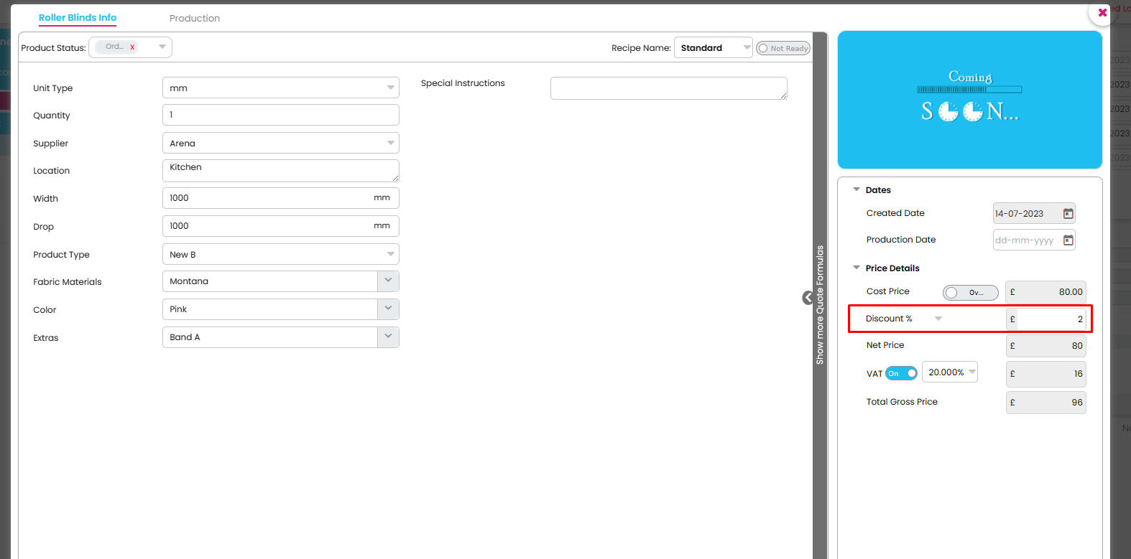
 |  |  |  |  |  |  |  |  |  |  | Discount will be applied in the order form for each product

 |  |  |  |  |  |  |  |  |  |  | By default - Options and Materials, Operations should be checked

 |  |  |  |  |  |  |  |  |  |  | Scenario:1
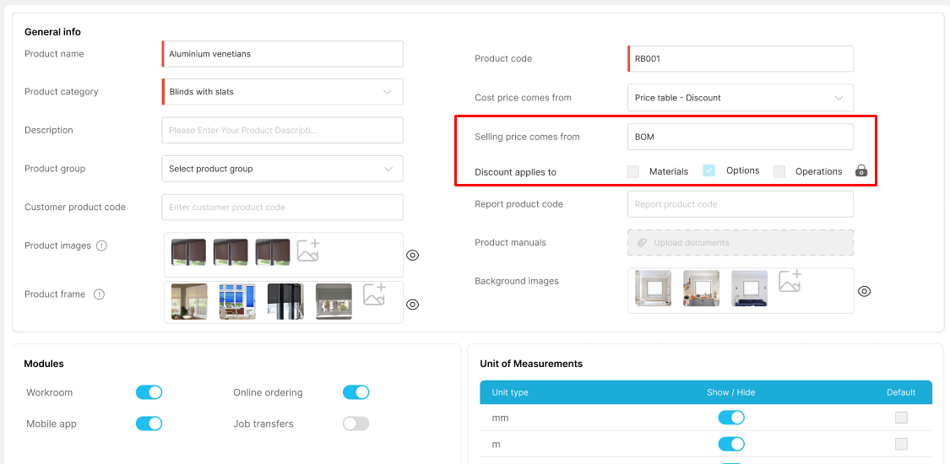

 |  |  |  |  |  | By default - Price tables and Options, Operations should be checked

 |  |  |  |  |  |  |  |  |  |  | Width | 1000
 |  |  |  |  |  |  |  |  |  |  | Drop | 1000
 |  |  |  |  |  |  |  |  |  |  | Product type | Band A
 |  |  |  |  |  |  |  |  |  |  | Fabrics | Acaisa-Red | 10 | 20
 |  |  |  |  |  |  |  |  |  |  | Motors | Somfy motor | 50 | 98
 |  |  |  |  |  |  |  |  |  |  | Net price |  |  | 118

 |  |  |  |  |  |  |  |  |  |  | Scenario:2

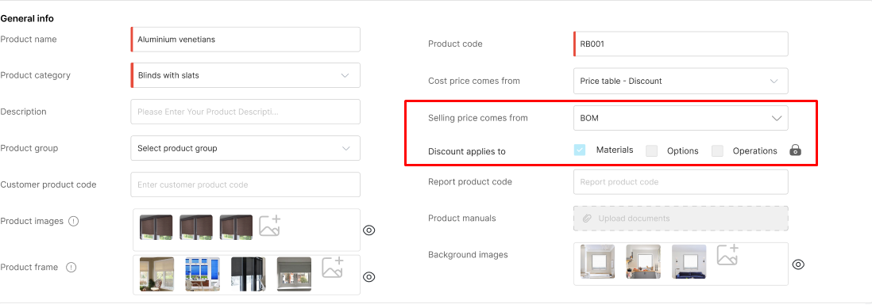

 |  |  |  |  |  |  |  |  |  |  |  |  |  |  | Discount=2%

 |  |  |  |  |  |  |  |  |  |  | Width | 1000
 |  |  |  |  |  |  |  |  |  |  | Drop | 1000
 |  |  |  |  |  |  |  |  |  |  | Product type | Band A
 |  |  |  |  |  |  |  |  |  |  | Fabrics | Acaisa-Red | 10 | 19.6
 |  |  |  |  |  |  |  |  |  |  | Motors | Somfy motor | 50 | 100
 |  |  |  |  |  |  |  |  |  |  | Net price |  |  | 119.6

 |  |  |  |  |  |  |  |  |  |  | Scenario:3
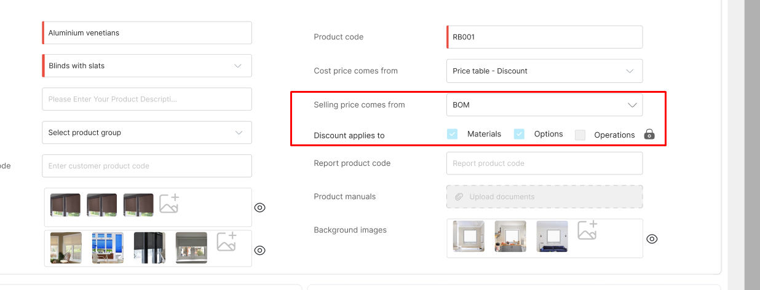

 |  |  |  |  |  |  |  |  |  |  | Width | 1000
 |  |  |  |  |  |  |  |  |  |  | Drop | 1000
 |  |  |  |  |  |  |  |  |  |  | Product type | Band A
 |  |  |  |  |  |  |  |  |  |  | Fabrics | Acaisa-Red | 10 | 19.6
 |  |  |  |  |  |  |  |  |  |  | Motors | Somfy motor | 50 | 98
 |  |  |  |  |  |  |  |  |  |  | Net price |  |  | 117.6

