Sheet1
Floor | Location | Estimated size (survey required after all window surrounds are complete) |  | Shutters in Antigua with tilt rod | Day night blinds (Price band B) | Bandaluc Polyscreen roller blinds | Verticals | Basic Roller plain Roller blind (could be black out fabric for same price)
 |  | width | height | Antigua PureWhite | luminary grey | grey | fabric B | memphis grey
Ground floor reception | front | 1320 | 2220 | £1,055 | £471 | £256 | £164 | £91
Ground floor reception | mid | 1250 | 2250 | £1,013 | £428 | £244 | £147 | £91
Ground floor reception | left | 1250 | 2250 | £1,013 | £428 | £244 | £147 | £91
Ground floor | office | 1320 | 222 | £105 | £471 | £234 | £147 | £91
Ground floor | hall | 980 | 1640 | £579 | £332 | £166 | £116 | £77
First floor front | right | 104 | 1970 | £74 | £364 | £185 | £125 | £77
First floor front | left | 104 | 1970 | £74 | £364 | £185 | £125 | £77
First floor front | side right | 107 | 1930 | £74 | £364 | £185 | £125 | £77
First floor front | side left | 107 | 1930 | £74 | £364 | £185 | £125 | £77
First floor mid room | mid right | 106 | 1430 | £55 | £320 | £157 | £108 | £70
First floor mid room | mid left | 1060 | 1430 | £546 | £320 | £157 | £108 | £70
First floor | near stairs | 1170 | 1440 | £607 | £352 | £157 | £121 | £70
Top floor front | right | 1050 | 1410 | £533 | £320 | £147 | £108 | £70
Top floor front | left | 1040 | 1400 | £524 | £320 | £147 | £108 | £70
Top floor front | side right | 1040 | 1400 | £524 | £320 | £147 | £108 | £70
Top floor front | side left | 1040 | 1400 | £524 | £320 | £147 | £108 | £70
Top floor mid room | mid right | 1020 | 890 | £327 | £265 | £119 | £93 | £47
Top floor mid room | mid left | 990 | 890 | £317 | £265 | £119 | £93 | £47
Top floor | near stairs | 1170 | 920 | £388 | £290 | £132 | £97 | £59

 | Usual Price |  |  | £8,404 | £6,678 | £3,313 | £2,273 | £1,392
 | Volume Discount |  |  | £2,809 | £1,683 | £113 | £328 | £207

 | Total inc VAT and Install |  |  | £5,595 | £4,995 | £3,200 | £1,945 | £1,185

Image example |  |  |  |  | 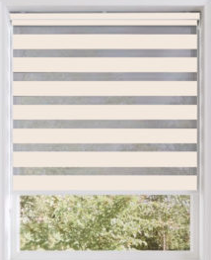 |  |  | 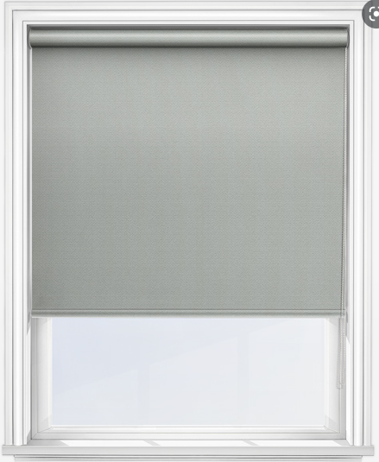
 |  |  |  |  | Can be motorised for £2400 | Can be motorised for £2400 |  | Can be motorised for £2400

