Sheet1
Briony Bell-Burrows/ 8 Sanderling, Portelet

 | SO7529/ Lutron roller blinds |  |  | Statement of account as @ 07-08-19 submitted to HLG Assoc
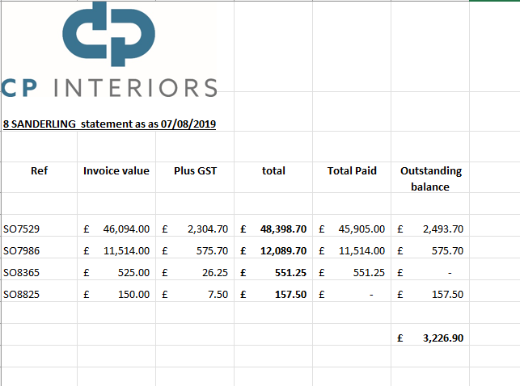
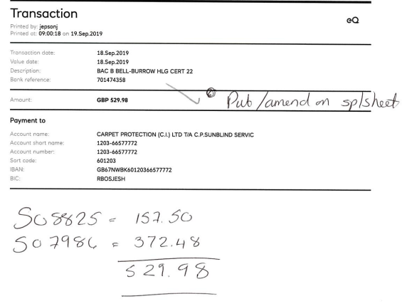
 |  | Invoice Total | 47,188.73
 | payment | 26-Jul-18 | -15,000.00
 | payment |  | -8,905.00
 | payment | 18-Apr-19 | -10,000.00
 | payment |  | -10,000.00
 | payment |  | -2,000.00
 |  | Amount o/s | 1,283.73

 | SO7986/ Crucial Trading carpet/rugs

 |  | Invoice Total | 12,089.70
 | payment | 7-Feb-19 | -11,514.00
 | payment | 18-Sep-19 | -372.48
 |  | Amount o/s | 203.22

