to order
 |  | 2025-01-31 |  | INTERNAL USE
BAR NAUTIQUE
 |  |  | QTY

LOWER DECK

 |  |  |  | PURCHASE INFO |  |  | Client price | Purchased | actual purchase price | QTY | carriage
Laced Banners - , front of bar |  |  |  |  |  |  | £3,860.00 | Torbay | £3,221.00
signwritting to banners | PC Sum |  |  |  |  |  | £1,800.00 | Torbay
French canopies to above bar front 300mm block stripe |  |  |  |  |  |  | £1,500.00 | Torbay
 |  |  |  |  |  |  |  | D rings
 |  |  |  |  |  |  |  | CP labour to make up | £600.00
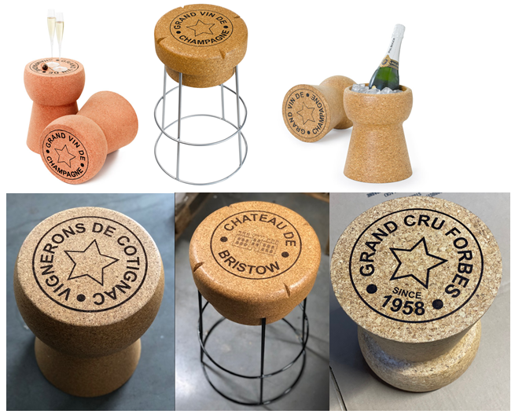
Booth seating | 4m x 4m x 4m , sand coloured fabric with white legs, rounded corners |  | 1 |  |  | £5,850.00 | £8,775.00 | HCF order placed 11/3. delivery requested to dsv 7th april | £11,925.00 | 2 x U shape sets
Scatter cushions - mixed fabrics some with logo |  |  |  |  |  |  |  | Bramblecrest - striped cushions | £475.20
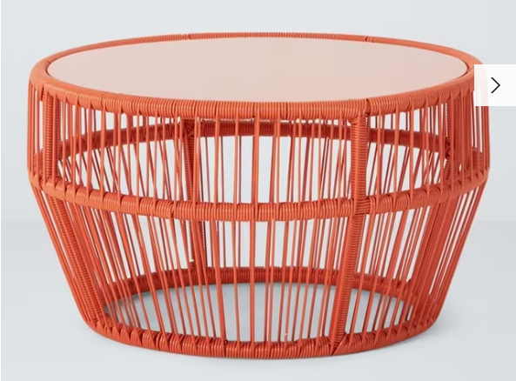
 |  |  | 15 | embroidered @ £5 per item + £30 set up | £30.00 | £450.00 | £675.00 | amazon cushions, teelights, blankets | £174.41
Coffee tables |  |  | 3 |  | £150.00 | £450.00 | £675.00 | Costcutter coffee tables | £1,478.10 | 6
low stools |  |  | 6 |  | £60.00 | £360.00 | £540.00 | Xlcork - flat top £130 customised | £1,560.00 | 12

Poseur tables 60cm round, silver base, white top |  |  | 6 | Eclipse white top silver base 600mm poseur table | £127.00 | £762.00 | £1,143.00 | eclipse | £1,546.00 | 12
stools - Directors style with Logo or white plastic | 2 per table |  | 12 | personalised | £112.00 | £1,344.00 | £2,016.00 | Xlcork - bar stool flat top & silver frame £152 customised | £3,648.00 | 24

New Dining tables 700 x 700mm square white top on round base |  |  | 20 | Nisbet Bolero base and top | £157.00 | £3,140.00 | £4,710.00 | nisbet dining tables | £5,231.95 | 36
New dining chairs - Directors style with Logo |  |  | 40 | personalised | £104.00 | £4,160.00 | £6,240.00 | De eekhoorn directors chairs | £5,490.00 | 82 | £724.00
 |  |  |  |  |  |  |  | replacment backs with printed acrylic £12 (inc in torbay inv above)£285 + cost £3.60 to print Lab6 £309 Lab 6 | £594.20 | 82

Table decorations |  |  |  |  |  | £600.00 | £900.00
blankets - with Logo |  |  | 24 | embroidered @ £5 per item + £30 set up | £18.00 | £432.00 | £648.00
 |  |  |  |  |  | £17,548.00
UPPER DECK |  |  |  |  | £8,774.00 | £26,322.00
re position roof structure from lower deck to Upper deck, relocate existing roof systems and secure with stainless steel cables. Service roof units including side screens |  |  |  |  |  |  | £4,400.00 | CPI time 4 men x 6 hours = £1656 | £1,656.00

French canopies to above bar on 3 sides |  |  |  |  |  |  | £3,600.00
Roller shutters to bar |  |  |  |  |  |  | £2,870.00 | Allurol | £1,170.00 | 2
Stainless steel flashing to bridge gap behind bar to rear of bar |  |  |  |  |  |  | £450.00 | aluminium - measure once shutters fitted.
Laced Banner - front of bar |  |  |  |  |  |  | £1,200.00
signwritting to banners | PC Sum |  |  |  |  |  | £700.00

Boothseating | 4m x 4m x 4m , sand coloured fabric with white legs, rounded corners |  | 1 |  |  | £5,850.00 | £8,775.00
Scatter cushions - mixed fabrics some with logo |  |  | 15 | embroidered @ £5 per item + £30 set up | £30.00 | £450.00 | £675.00
coffee tables |  |  | 3 |  | £150.00 | £450.00 | £675.00
low stools |  |  | 6 |  | £60.00 | £360.00 | £540.00

Poseur tables 60cm round, silver base, white top |  |  | 6 | Eclipse white top silver base 600mm poseur table | £127.00 | £762.00 | £1,143.00
stools - Directors style with Logo or white plastic | 2 per table |  | 12 | personalised | £112.00 | £1,344.00 | £2,016.00

New Dining tables 700 x 700mm | white round base, white square top |  | 16 | Nisbet Bolero base and top | £157.00 | £2,512.00 | £3,768.00
New dining chairs - Directors style with Logo |  |  | 32 | personalised | £104.00 | £3,328.00 | £4,992.00

Table decorations |  |  |  |  |  | £600.00 | £900.00
blankets - with Logo |  |  | 20 | embroidered @ £5 per item + £30 set up | £18.00 | £360.00 | £650.00
 |  |  |  |  |  | £16,016.00
 |  |  |  |  | £8,118.00 | £24,134.00 | £70,836.00
 |  |  |  |  |  |  | Plus GST
Additions |  |  |  |  |  |  |  | total | £38,769.86 |  | £724.00
dining chairs spares | £156 each inc repl back and signwriting |  | 10 |  |  |  | £1,560.00
wine coolers - cork | £30 standard |  | 4 |  |  |  | £667.00
place matts - cork | £5 each |  | 50
coasters - cork | £1.50 each |  | 50 |  |  | £445.00
ali work to gap between pergola's |  |  |  |  |  | ?? | ??
 |  |  |  |  |  |  | £73,063.00

for client - meeting 31012025
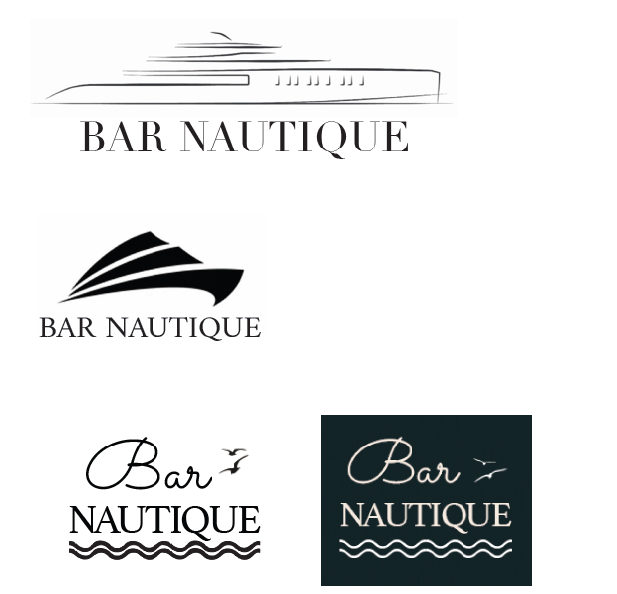
 |  | 2025-01-31 |  |  |  |  | 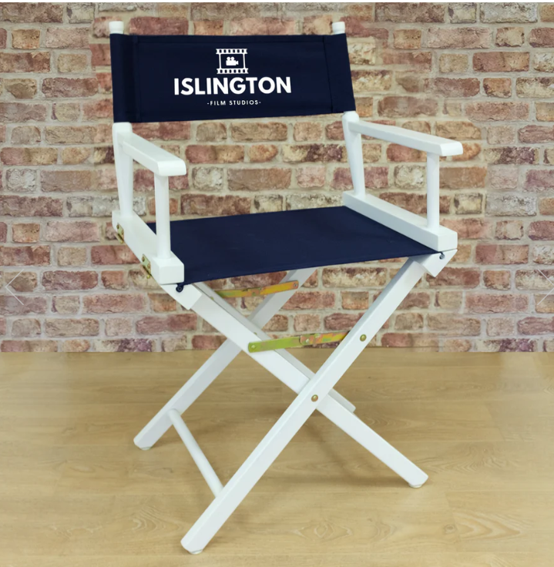 |  | 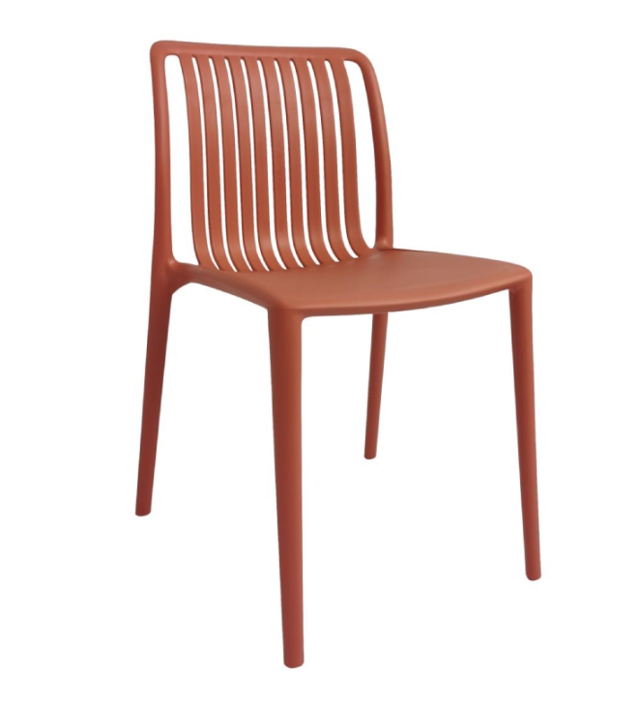
BAR NAUTIQUE
 |  |  | QTY
 |  |  |  |  |  |  | DIRECTORS CHAIRS | Area Totals |  | PLASTIC CHAIRS | Area Totals

LOWER DECK
Stretch tent roof Including steel posts & groundworks |  |  | 1 |  |  |  | £46,300.00 |  |  | £46,300.00

Laced Banners - Main gate, above door, front of bar |  |  |  |  |  |  | £3,860.00 |  |  | £3,860.00
signwritting to banners | PC Sum |  |  |  |  |  | £1,800.00 |  |  | £1,800.00
French canopies to above bar front |  |  |  |  |  |  | £1,500.00 |  |  | £1,500.00

Booth seating | 4m x 4m x 4m , sand coloured fabric with white legs, rounded corners |  | 1 |  |  | £5,850.00 | £8,775.00 |  |  | £8,775.00
Scatter cushions - mixed fabrics some with logo |  |  | 15 | embroidered @ £5 per item + £30 set up | £30.00 | £450.00 | £675.00 |  |  | £675.00
Coffee tables |  |  | 3 |  | £150.00 | £450.00 | £675.00 |  |  | £675.00
low stools |  |  | 6 |  | £60.00 | £360.00 | £540.00 |  |  | £540.00

Poseur tables 60cm round, silver base, white top |  |  | 6 | Eclipse white top silver base 600mm poseur table | £127.00 | £762.00 | £1,143.00 |  |  | £1,143.00
stools - Directors style with Logo or white plastic | 2 per table |  | 12 | personalised | £112.00 | £1,344.00 | £2,016.00 |  |  | £1,044.00 |  | outdoor version + change fabric to backs and print plus shipping

New Dining tables 700 x 700mm square white top on round base |  |  | 20 | Nisbet Bolero base and top | £157.00 | £3,140.00 | £4,710.00 |  |  | £4,710.00
New dining chairs - Directors style with Logo or mild orange plastic |  |  | 40 | personalised | £104.00 | £4,160.00 | £6,240.00 |  |  | £3,480.00

Table decorations |  |  |  |  |  | £600.00 | £900.00 |  |  | £900.00
blankets - with Logo |  |  | 24 | embroidered @ £5 per item + £30 set up | £18.00 | £432.00 | £648.00 |  |  | £648.00
 |  |  |  |  |  | £17,548.00 |  | £79,782.00 |  |  | £76,050.00
UPPER DECK |  |  |  |  | £8,774.00 | £26,322.00
re position roof structure from lower deck to Upper deck, relocate existing roof systems and secure with stainless steel cables. Service roof units including side screens |  |  |  |  |  |  | £4,400.00 |  |  | £4,400.00
French canopies in wide block stripe acrylic to louvre roof surround |  | £12,000.00

French canopies to above bar on 3 sides |  |  |  |  |  |  | £3,600.00 |  |  | £3,600.00
Roller shutters to bar |  |  |  |  |  |  | £2,870.00 |  |  | £2,870.00
Stainless steel flashing to bridge gap behind bar to rear of bar |  |  |  |  |  |  | £450.00 |  |  | £450.00
Laced Banner - front of bar |  |  |  |  |  |  | £1,200.00 |  |  | £1,200.00
signwritting to banners | PC Sum |  |  |  |  |  | £700.00 |  |  | £700.00

Boothseating | 4m x 4m x 4m , sand coloured fabric with white legs, rounded corners |  | 1 |  |  | £5,850.00 | £8,775.00 |  |  | £8,775.00 |  | removal of end corners would give saving of £1,500
Scatter cushions - mixed fabrics some with logo |  |  | 15 | embroidered @ £5 per item + £30 set up | £30.00 | £450.00 | £675.00 |  |  | £675.00
coffee tables |  |  | 3 |  | £150.00 | £450.00 | £675.00 |  |  | £675.00
low stools |  |  | 6 |  | £60.00 | £360.00 | £540.00 |  |  | £540.00

Poseur tables 60cm round, silver base, white top |  |  | 6 | Eclipse white top silver base 600mm poseur table | £127.00 | £762.00 | £1,143.00 |  |  | £1,143.00
stools - Directors style with Logo or white plastic | 2 per table |  | 12 | personalised | £112.00 | £1,344.00 | £2,016.00 |  |  | £1,044.00

New Dining tables 700 x 700mm | white round base, white square top |  | 16 | Nisbet Bolero base and top | £157.00 | £2,512.00 | £3,768.00 |  |  | £3,768.00
New dining chairs - Directors style with Logo or mild orange plastic |  |  | 32 | personalised | £103.00 | £3,296.00 | £4,944.00 |  |  | £2,784.00

Table decorations |  |  |  |  |  | £600.00 | £900.00 |  |  | £900.00
blankets - with Logo |  |  | 20 | embroidered @ £5 per item + £30 set up | £18.00 | £360.00 | £650.00 |  |  | £650.00
 |  |  |  |  |  | £15,984.00 |  | £37,306.00 |  |  | £34,174.00
 |  | £12,000.00 |  |  | £8,102.00 | £24,086.00 | £117,088.00 |  |  | £110,224.00
 |  |  |  |  |  |  | Plus GST |  |  | Plus GST |  | £6,864.00

INTERNAL USE breakdownplastic c
BAR NAUTIQUE |  |  |  |  |  | Budget
 |  |  |  | cost to CPI |  | 2025-01-01
UPPER AND LOWER DECK
Laced Banners - Main gate, above door, front of both bars |  |  |  |  |  | £5,060.00
signwritting to banners | PC Sum |  |  |  |  | £2,500.00
 |  | QTY |  |  |  |  | £7,560.00
LOWER DECK
Stretch tent roof |  | 1 |  |  |  | £45,700.00
 |  |  |  |  | Times 1.5
Banquet seating | 4 x 4 x 4 , Beige with white legs, rounded corners | 1 |  |  | £6,290.00 | £9,435.00
Scatter cushions - mixed fabrics | embroidered @ £5 per item + £30 set up | 15 |  | £30.00 | £450.00 | £675.00
Low tables |  | 3 |  | £150.00 | £450.00 | £675.00
low stools |  | 6 |  | £60.00 | £360.00 | £540.00

Poseur tables 60cm round, silver base, white top | 6 top deck 6 lower | 6 | Eclipse white top silver base 600mm poseur table | £122.00 | £732.00 | £1,098.00
white plastic stools | white plastic stackable | 12 |  | £58.00 | £696.00 | £1,044.00

New Dining tables 700 x 700mm | white round base, white square top | 20 | Nisbet Bolero base and top | £152.00 | £3,040.00 | £4,560.00
Mild Orange plastic Dining chair | Mild Orange plastic stackable | 40 |  | £58.00 | £2,320.00 | £3,480.00
 |  |  |  |  |  | £-
Table decorations / plant |  | 26 |  |  | £300.00 | £450.00
blankets | embroidered @ £5 per item + £30 set up | 20 |  | £18.00 | £360.00 | £540.00
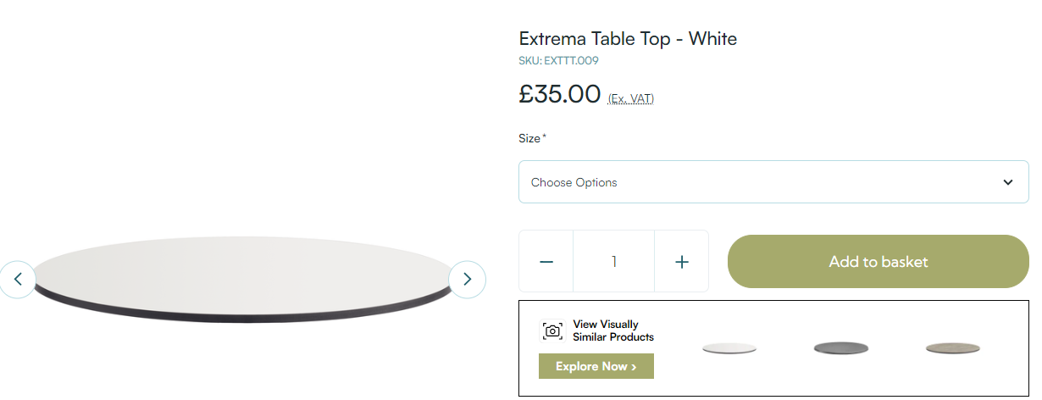
 |  |  |  |  |  |  | £68,197.00
UPPER DECK
French canopies in wide block stripe acrylic to louvre roof surround |  |  |  |  |  | £12,000.00
French canopies to above bars |  |  |  |  |  | £5,100.00
Roller shutters bar |  |  |  |  |  | £2,870.00
cladding to rear of bar |  |  |  |  |  | £450.00
re position roof structure from lower deck to Upper deck, relocate existing roof systems and secure with stainless steel cables. Service roof units including side screens |  |  |  |  |  | £4,400.00

 |  |  |  |  | Times 1.5
Banquet seating | 4 x 4 x 4 , Beige with white legs, rounded corners | 1 |  |  | £6,290.00 | £9,435.00
Scatter cushions - mixed fabrics | embroidered @ £5 per item + £30 set up | 15 |  | £30.00 | £450.00 | £675.00
Low tables |  | 3 |  | £150.00 | £450.00 | £675.00
low stools |  | 6 |  | £60.00 | £360.00 | £540.00

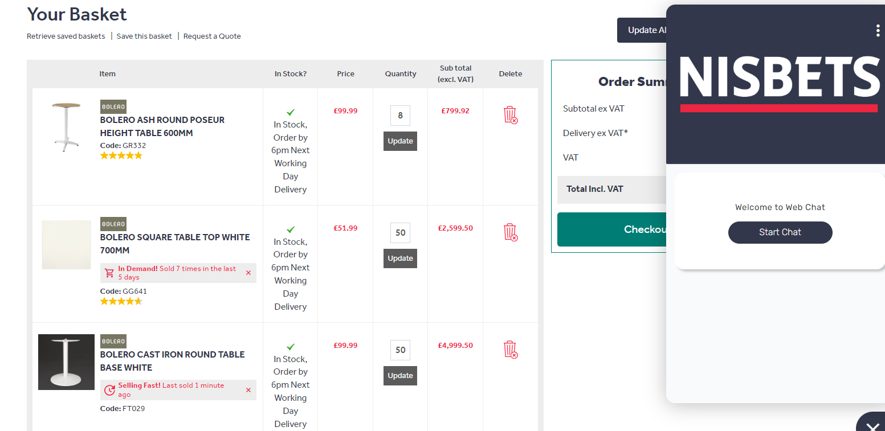
Poseur tables 60cm round, silver base, white top | 6 top deck 6 lower | 6 | Eclipse white top silver base 600mm poseur table | £122.00 | £732.00 | £1,098.00
white plastic stools | white plastic stackable | 12 |  | £58.00 | £696.00 | £1,044.00
 |  |  |  |  |  | £-
New Dining tables 700 x 700mm | white round base, white square top | 16 | Nisbet Bolero base and top | £152.00 | £2,432.00 | £3,648.00
Mild Orange plastic Dining chair | Mild Orange plastic stackable | 32 |  | £58.00 | £1,856.00 | £2,784.00
 |  |  |  |  |  | £-
Table decorations / plant |  | 22 |  |  | £300.00 | £450.00
blankets | embroidered @ £5 per item + £30 set up | 20 |  | £18.00 | £360.00 | £540.00
 |  |  |  |  |  |  | £45,709.00

 |  |  |  |  |  | £121,466.00
 |  |  |  |  |  | Plus GST

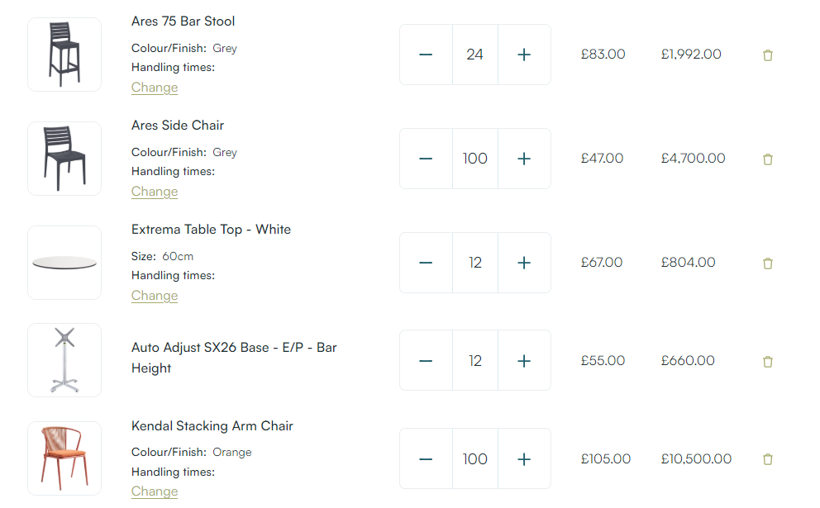

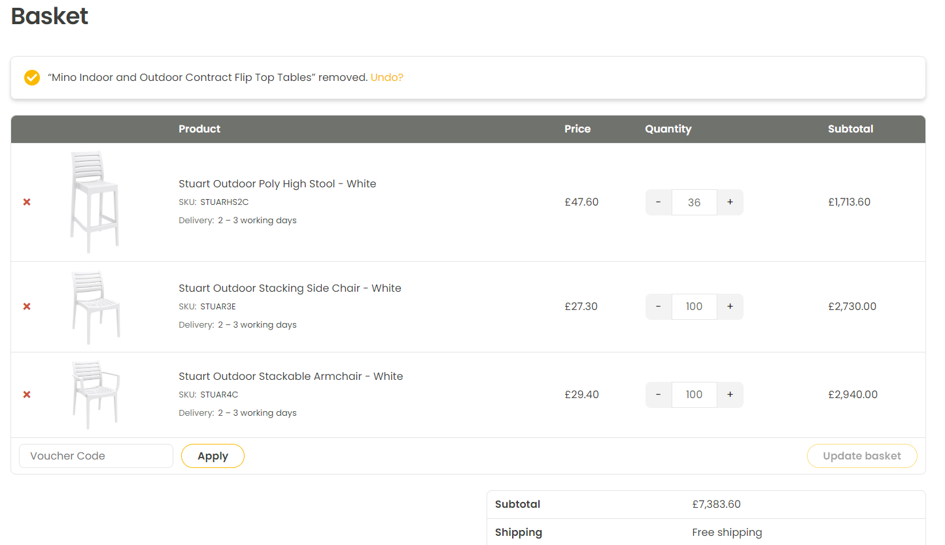
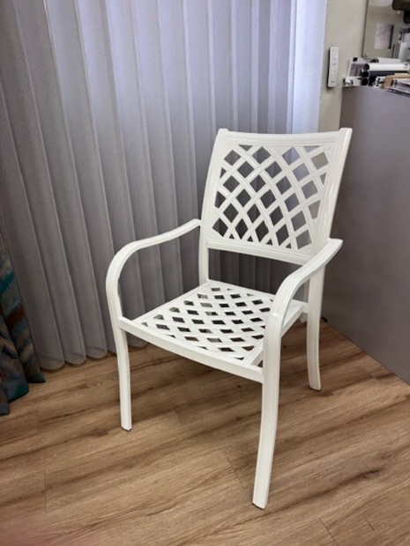

Bolero verona chair £101.30 for 2
Bolero Verona Cafe Chairs Mild Orange Pack of 2

 |  |  |  |  |  |  |  | Basket | Cafe Reality

INTERNAL USE breakdown director
BAR NAUTIQUE |  |  |  |  |  | Budget
 |  |  |  | cost to CPI |  | 2025-01-01
UPPER AND LOWER DECK
Laced Banners - Main gate, above door, front of both bars |  |  |  |  |  | £5,060.00
signwritting to banners | PC Sum |  |  |  |  | £2,500.00
 |  | QTY
LOWER DECK
Stretch tent roof |  | 1 |  |  |  | £46,300.00
 |  |  |  |  | Times 1.5
Banquet seating | 4 x 4 x 4 , Beige with white legs, rounded corners | 1 |  |  | £6,490.00 | £9,735.00
Scatter cushions - mixed fabrics | embroidered @ £5 per item + £30 set up | 15 |  | £30.00 | £450.00 | £675.00
Low tables |  | 3 |  | £150.00 | £450.00 | £675.00
low stools |  | 6 |  | £60.00 | £360.00 | £540.00

Poseur tables 60cm round, silver base, white top | 6 top deck 6 lower | 6 | Eclipse white top silver base 600mm poseur table | £122.00 | £732.00 | £1,098.00
stools - directors style |  | 12 | personalised | £112.00 | £1,344.00 | £2,016.00
 |  |  |  |  |  | £-
New Dining tables 700 x 700mm | white round base, white square top | 20 | Nisbet Bolero base and top | £152.00 | £3,040.00 | £4,560.00
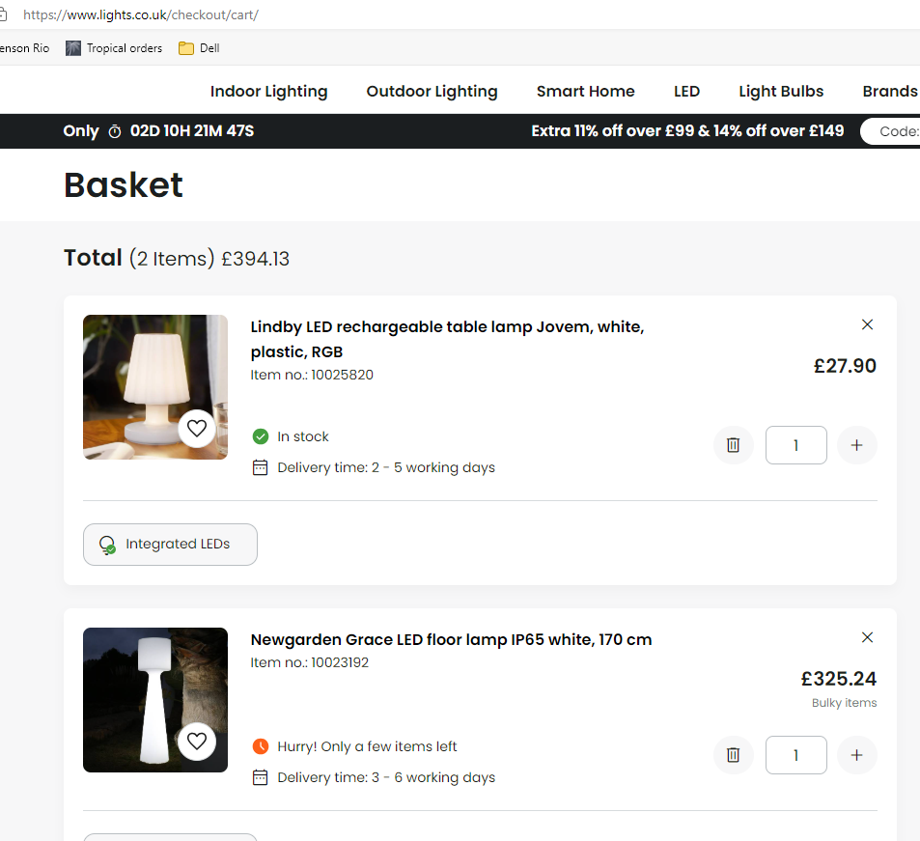
New dining chairs - directors style |  | 40 | personalised | £103.00 | £4,120.00 | £6,180.00
 |  |  |  |  |  | £-
Table decorations / plant |  | 26 |  |  | £600.00 | £900.00
blankets | embroidered @ £5 per item + £30 set up | 20 |  | £18.00 | £360.00 | £540.00
 |  |  |  |  |  |  | £73,219.00
UPPER DECK
French canopies in wide block stripe acrylic to louvre roof surround |  |  |  |  |  | £12,000.00
French canopies to above bars |  |  |  |  |  | £5,100.00
Roller shutters bar |  |  |  |  |  | £2,870.00
cladding to rear of bar |  |  |  |  |  | £450.00
re position roof structure from lower deck to Upper deck, relocate existing roof systems and secure with stainless steel cables. Service roof units including side screens |  |  |  |  |  | £4,400.00

 |  |  |  |  | Times 1.5 |  |  | Lindby LED rechargeable table lamp Jovem, white, plastic, RGB | Lights.co.uk
Banquet seating | 4 x 4 x 4 , Beige with white legs, rounded corners | 1 |  |  | £6,490.00 | £9,735.00
Scatter cushions - mixed fabrics | embroidered @ £5 per item + £30 set up | 15 |  | £30.00 | £450.00 | £675.00
Low tables |  | 3 |  | £150.00 | £450.00 | £675.00
low stools |  | 6 |  | £60.00 | £360.00 | £540.00

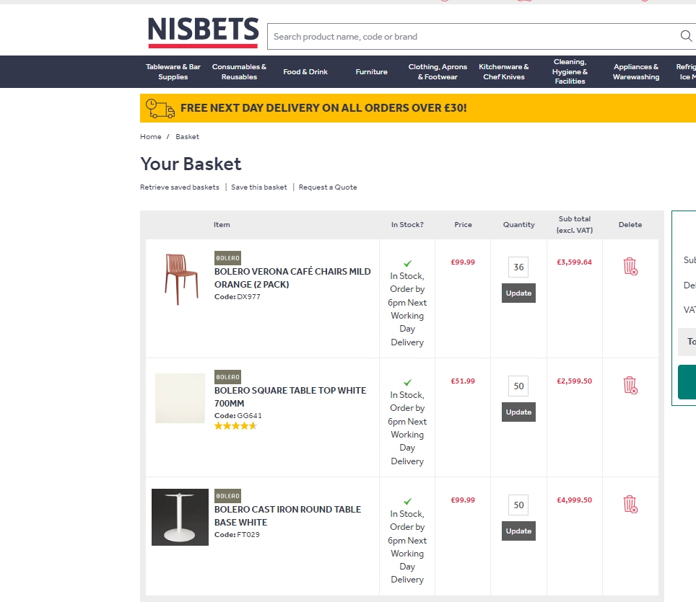
Poseur tables 60cm round, silver base, white top | 6 top deck 6 lower | 6 | Eclipse white top silver base 600mm poseur table | £122.00 | £732.00 | £1,098.00
stools - directors style |  | 12 | personalised | £112.00 | £1,344.00 | £2,016.00

 |  |  |  |  |  | £-
New Dining tables 700 x 700mm | white round base, white square top | 16 | Nisbet Bolero base and top | £152.00 | £2,432.00 | £3,648.00
New dining chairs - directors style |  | 32 | personalised | £103.00 | £3,296.00 | £4,944.00
 |  |  |  |  |  | £-
Table decorations / plant |  |  |  |  | £600.00 | £900.00
blankets | embroidered @ £5 per item + £30 set up | 24 |  | £18.00 | £432.00 | £650.00
 |  |  |  |  |  |  | £49,701.00
 |  |  |  |  |  | £130,480.00
Electrical works - lights, heaters |  |  |  |  |  | Plus GST

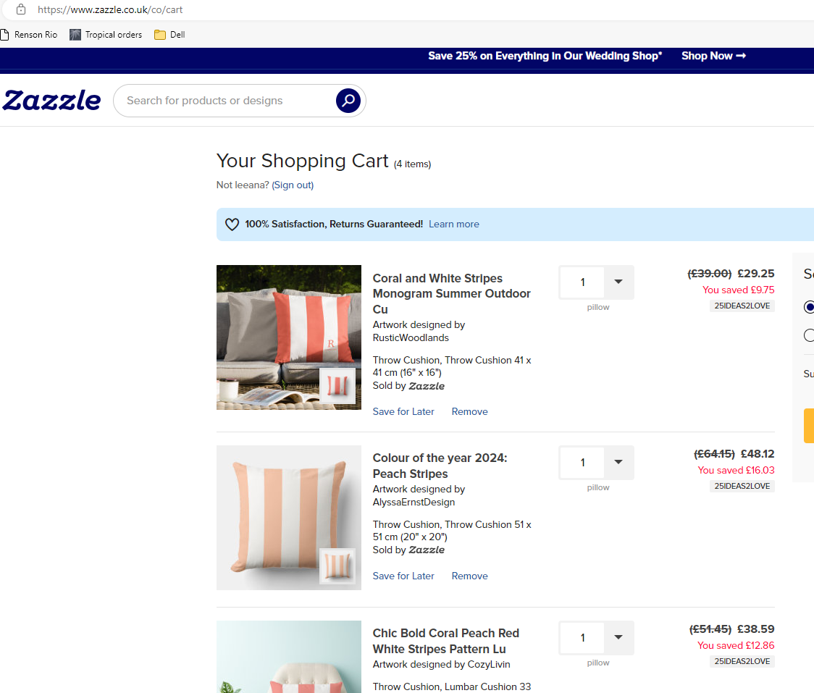

Bolero verona chair £101.30 e
Bolero Verona Cafe Chairs Mild Orange Pack of 2

 |  |  |  |  |  |  |  |  | Basket | Cafe Reality

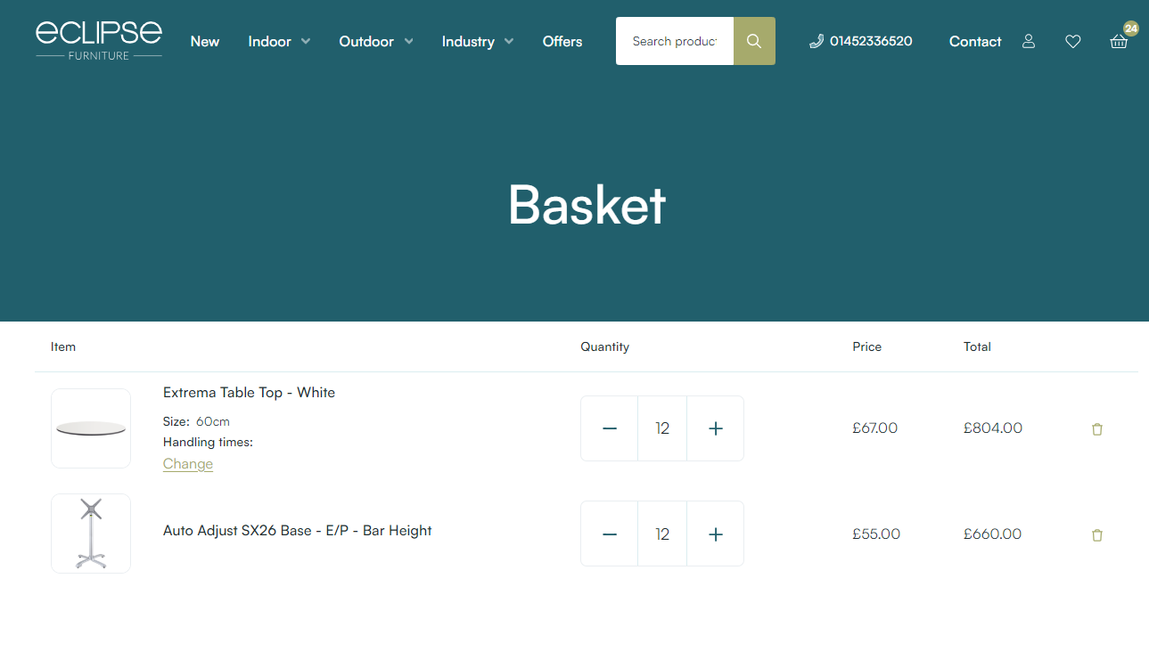

Photos & Exisiting furniture
