11" Sales Order No Line V.A.T.
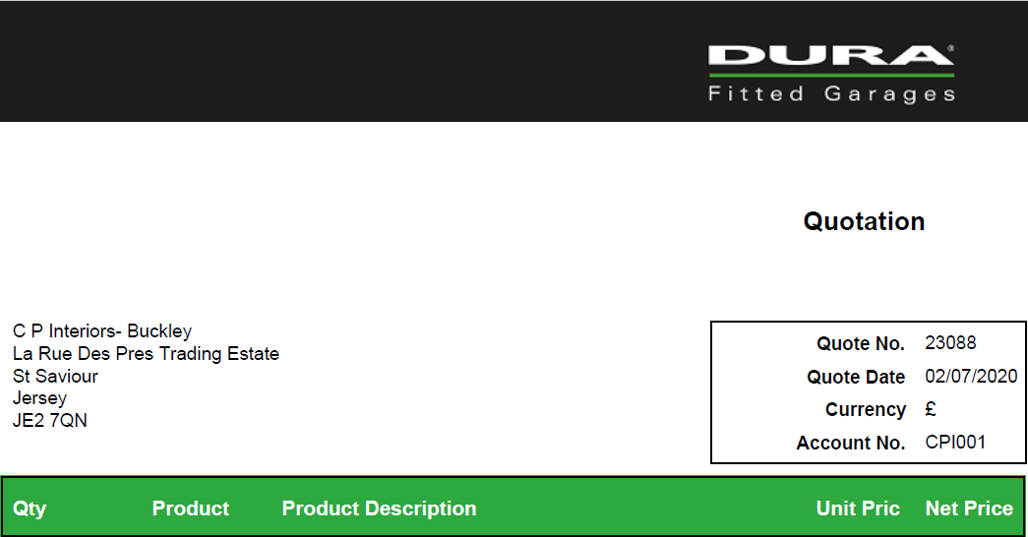

 | 1.00 | COL0001 | DURA SILVER CABINETS
 | 1.00 | COL2004 | RAL 2004 - PURE ORANGE BP
 | 1.00 | COL0000 | Colour change charge |  | £429.26 | £429.26
 | 0.00 | M | Orange Pinstripe
 | 1.00 | RS062 | Rack shelving w/double doors 1200x600x2000mm (inc 4 shelves) |  | £764.50 | £764.50
 | 1.00 | RC905/F | 900 Series - 5 drawers/FEET |  | £1,239.88 | £1,239.88
 | 1.00 | BU090 | Base unit/2 double doors/shelf on feet 900mm |  | £511.38 | £511.38
 | 1.00 | BU014 | Base unit/1 locking door on feet 600mm |  | £423.07 | £423.07
 | 1.00 | BPEGSD060 | Back Panel 600 1 single, 1 dbl sckts (Pettress) |  | £47.78 | £47.78
 | 1.00 | MES002SS | Stain steel 13A Metal clad 2G elec socket Blk - 23SS132DPB |  | £15.26 | £15.26
 | 1.00 | MES003SS | Stain steel 13A Metal clad 1G swit fused spur Blk - 23SPU13B |  | £19.43 | £19.43
 | 1.00 | BP090300 | Blank back panel 900x300mm |  | £46.56 | £46.56
 | 1.00 | BP090 | Blank back panel 900mm |  | £50.25 | £50.25
 | 1.00 | WU090 | Wall cabinet with o/head door & gas struts 900mm |  | £421.84 | £421.84
 | 1.00 | WU060 | Wall cabinet with o/head door & gas struts 600mm |  | £332.31 | £332.31
 | 2.00 | BK001 | Back Straps for wall unit, back panel & base unit |  | £33.07 | £66.13
 | 1.00 | BK008 | Back Straps for base unit & 300mm high back panel |  | £26.94 | £26.94
 | 6.00 | SIP50 | Side Infill Panel 50mm deep in 1.2mm steel |  | £26.02 | £156.09
 | 1.00 | UCL001 | Under Cabinet LED British Plug |  | £11.36 | £11.36
 | 1.00 | UCL090 | Under Cabinet LED 900 |  | £69.98 | £69.98
 | 1.00 | UCL060 | Under cabinet LED 600 |  | £54.12 | £54.12
 | 1.00 | UCL003 | Under cabinet LED side capping LEFT side |  | £11.89 | £11.89
 | 2.00 | UCL004 | Under cabinet LED side capping RIGHT side |  | £11.89 | £23.78
 | 2.00 | PLI055 | Plinth plate for side of base unit with set back legs |  | £11.00 | £22.00
 | 1.00 | PLI060 | Plinth plate for front of 600mm base unit & side |  | £12.10 | £12.10
 | 3.00 | PLI092 | Plinth plate for front of 900mm base unit |  | £14.30 | £42.90
 | 1.00 | PLI120 | Plinth plate for front of 1200mm base unit |  | £17.60 | £17.60
 | 38.00 | DUHDG8 | Dura Heavy Duty Store Panel - 8ft |  | £55.13 | £2,095.02
 | 88.00 | DUHDMS001 | Dura Heavy Duty Mounting Strip |  | £3.16 | £277.82
 | 9.00 | SWHDFSG001 | StoreWall heavy duty flat strip Grey 2440mm |  | £4.87 | £43.86
 | 8.00 | SWHDLLG001 | StoreWall heavy duty Large L Grey 2440mm |  | £6.09 | £48.75
 | 4.00 | DUAS001 | Dura 2.5 Single Hook with Twist Lock |  | £5.08 | £20.33
 | 4.00 | DUAS005 | Dura Heavy Duty Utility Hook with Twist Lock |  | £17.34 | £69.34
 | 4.00 | DUAS008 | Dura Bike Hook with Twist Lock |  | £15.30 | £61.20
 | 4.00 | DUAS009 | Dura Heavy Duty Cradle Hook with Twist Lock |  | £20.41 | £81.62
 | 4.00 | DUAS010 | Dura Heavy Duty Tool Hook with Twist Lock |  | £15.30 | £61.20
 | 4.00 | DUAS011 | Dura Heavy Duty Universal Hook with Twist Lock |  | £14.28 | £57.11
 | 4.00 | DUAS201 | Dura Heavy Duty Shallow Basket with Twist Lock |  | £27.56 | £110.22
 | 4.00 | DUAS202 | Dura Heavy Duty Deep Basket with Twist Lock |  | £32.68 | £130.72
 | 220.00 | EFT7-220 | Dark Grey 7mm Raised Disk Tile |  | £10.73 | £2,359.50
 | 18.00 | ERS7-221 | Dark Grey 7mm Ramp Strip |  | £4.46 | £80.19

 | 1.00 | DELIVERY | Delivery of all items quoted |  |  | £720.00
 | 1.00 | INSTALLATION | Fitting, - flooring and Units |  |  | £2,500.00
 |  |  |  |  |  | £13,533.30
 |  |  |  | Plus GST |  | £676.67
 |  |  |  | TOTAL |  | £14,209.97

