14 04 2020
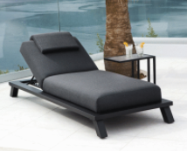
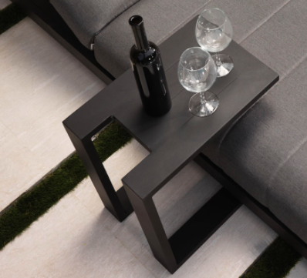
 |  | 2020-04-16 |  | SO9860
REF: FAIRFIELD
Westminster outdoor furniture |  |  | price each | Price
 | 2 | Arabian Tables - Charcoal | £83.00 | £166.00
 | 2 | Blain Lounger Taupe fabric with Charcoal frame * 222 × 90 × 46 cm | £709.00 | £1,418.00
 | 1 | Coast & Sahara 10/12 seater Dining set in Taupe with charcoal table frame and dusk top - 180cm round table | £5,563.00 | £5,563.00

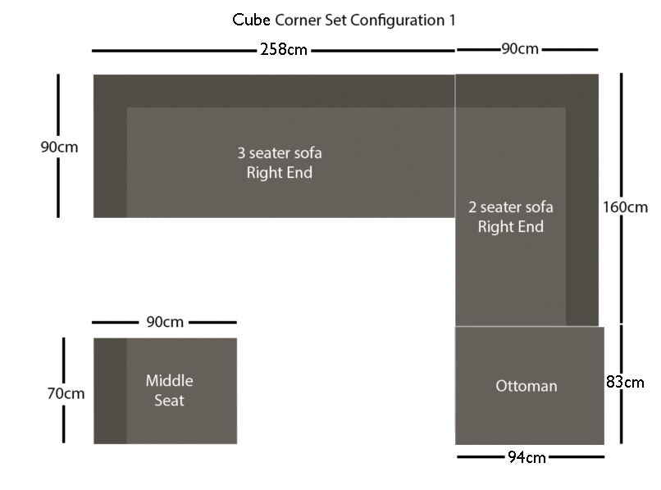
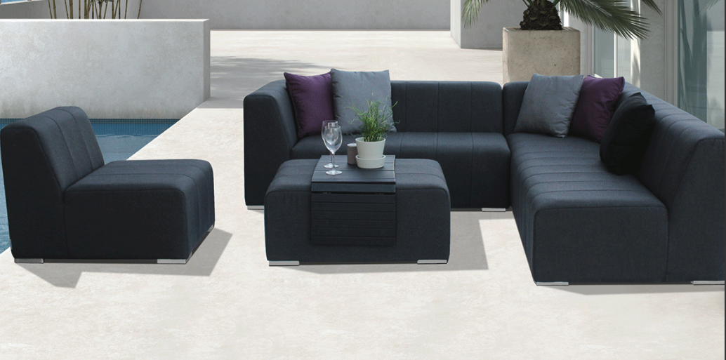
 | 1 | High Hocker & Design Bar set in Charcoal * | £1,313.00 | £1,313.00 | 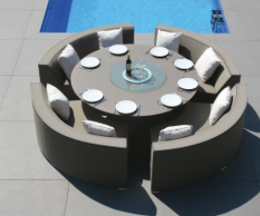
 |  |  |  |  | 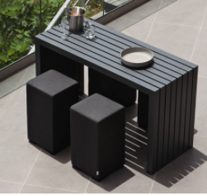
 | 1 | Cube corner lounge set in charcoal | £2,911.00 | £2,911.00
 | 2 | Design side tables in Charcoal 90 x 45cm | £245.00 | £490.00
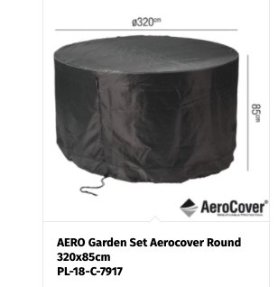
 |  | PLUS Aero Covers to all. Round cover for Coast & Sahara only fits 3 sofas so one will need to be stored separately as no cover for this. Lounger covers are long so need to be tucked under loungers. |  | £453.00
 |  |  | Total | £12,314.00
 |  | Expected leadtime of special order items * is 8 - 12 weeks, all goods will be despatched together | + GST | £12,929.70
 |  |  | + Shipping | TBC
 |  | Tel: (01534) 768141
 |  | Rue des Pres Trading Estate, St Saviour, Jersey JE3 7QN

