14042020
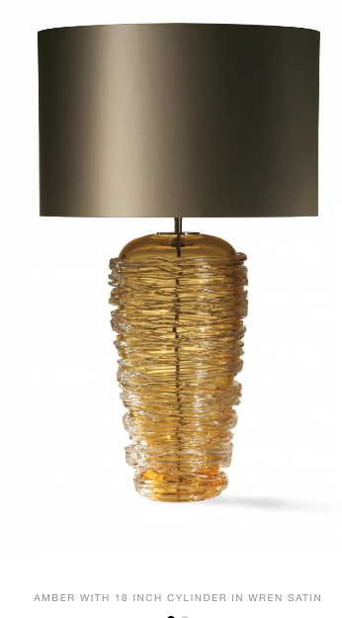
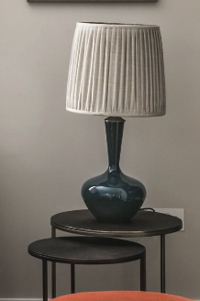
 |  |  | 2020-04-14
REF: FAIRFIELD
 |  |  |  |  | Total Price
Living room | Porta Romana | 2 | Thread Lamp Amber. 730mm high with shade |  | £3,390.00
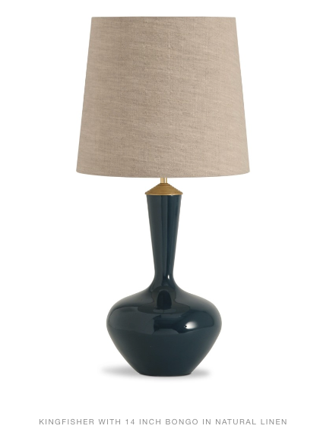
 | Porta Romana | 2 | shades for above |  | £400.00
 | Porta Romana | 2 | Shisha lamp in Kingfisher 730mm high with shade |  | £900.00
 | Porta Romana | 2 | shades for above |  | £368.00
alternative | Porta Romana | 2 | Chianti Lamp 800mm high with shade | £2,240.00
 | Porta Romana | 2 | shade as image | £382.00
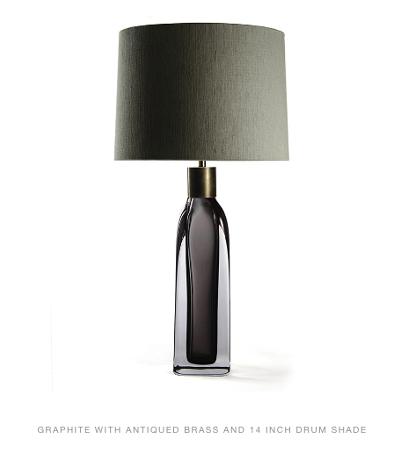
 |  |  |  |  |  | 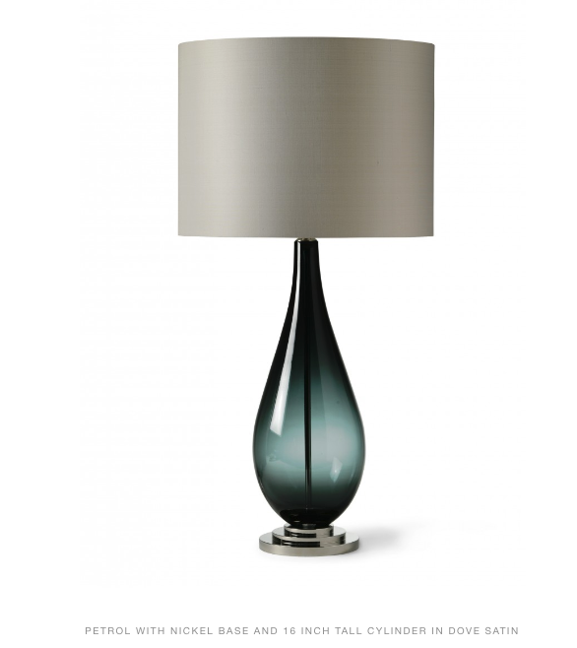
Hall placed on round table | Porta Romana | 1 | Large Fitzgerald Graphite and antique brass collar - 670mm high with shade |  | £1,255.00
 | Porta Romana | 1 | Shade to suit above |  | £180.00

 |  |  |  | Total | £6,493.00
 |  |  |  | + Shipping | TBC
 |  |  |  | + 5% GST
 |  |  | Tel: (01534) 768141
 |  |  | Rue des Pres Trading Estate, St Saviour, Jersey JE3 7QN

