Wallpaper
LA CASSINE
Supply only - Wallcovering and paste

Guest bedroom 1 - Behind bed | wall paper W915/02 | 2 rolls | £211.00
 |  |  |  | 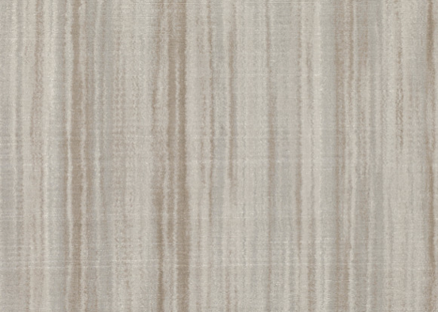
Guest bedroom 2 - Behind bed | wall paper W605/03 Nikko Lagoon | 3 rolls | £290.00
 |  |  |  | 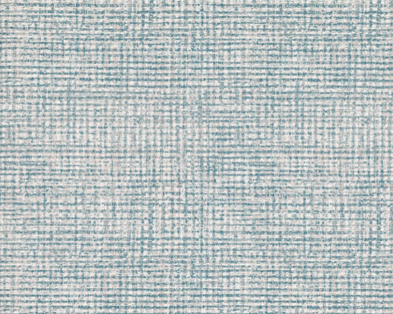
Master Bedroom - behind bed | Wall paper - floris spring rose W411/01 | 3 rolls | £292.50
 |  |  |  | 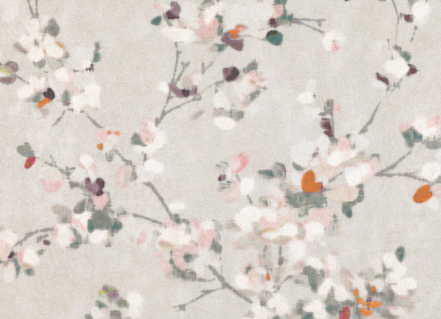

Study- left hand wall | wall paper Acquario 97/10048 | 4 rolls | £720.00
 |  |  | £1,973.50 | 