Sheet1
RBC Guernsey | Additonal costings
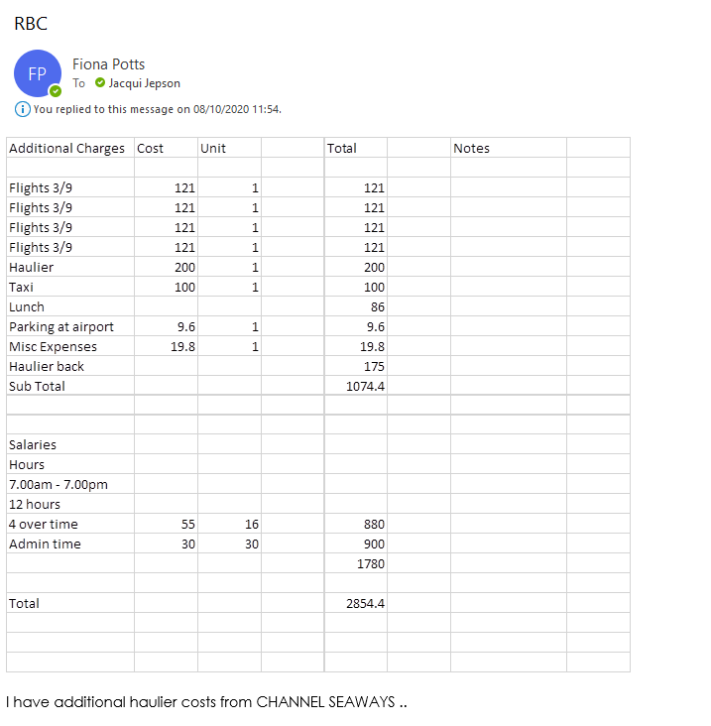
 | 1st visit | Resend adjusted blinds
Flights | 484.00
Taxis | 100.00
Airpotrt Parking | 9.60
Haulage | 376.60 | 150.00
Lunches | 86.00
Misc exp | 19.80
 | 1,076.00 | 1,226.00

Time charges

Fitters x 4 55 hrs | 880.00
Administration = 30hrs | 900.00

 | 1,780.00

 | 3,006.00

Travel | 593.60
On-site costs | 105.80
Time costs | 1,780.00
Haulage | 526.60
 | 3,006.00

Net Price | 65,000.00
Deposit paid | -32,500.00
Outstanding | 32,500.00
Additional costs | 3,006.00
Gross outstanding | 35,506.00

