SPEC Somfy on Zigbe
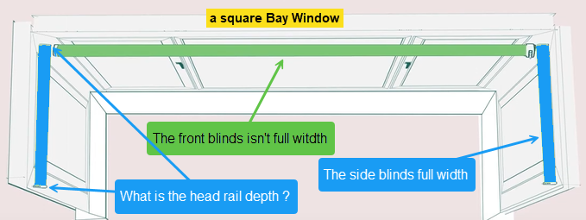
Rooms | Blids | Colour | Max height drop (mm): | Min height drop (mm): | Max width (mm): | Min width (mm): | Remote control * | Notes
Study window | Aluminium Venetian - motorised | Silver | 994 | 992 | 1196 | 1195 | 1 channel
Living square bay windows: |  |  |  |  |  |  |  | determine the head rail depth projection from the window
left bay window | Aluminium Venetian - motorised | Light bronze | 1289 |  | 528 | 523 | 5 channels | the distance that the head rail will hang away from the window
middle bay window | Aluminium Venetian - motorised | Light bronze | 1289 | 1286 | 2303 | 2302 |  | the front blind is not full width
right bay window | Aluminium Venetian - motorised | Light bronze | 1285 |  | 530 | 526 |  | side blinds full width

Kitchen window | Aluminium Venetian - motorised | Light bronze | 965 | 964 | 1198 | 1197 | 5 channels
Dinner patio door | Aluminium Venetian - motorised | Light bronze | 2078 | 2076 | 1437 | 1386

Master bed window | duette blind with blackout & energy-efficient fabric | Light bronze or grey | 1122 | 1119 | 1200 | 1197 | 1 channel
On-suite | PVC Venetian - manual | White | 832 | 828 | 642 | 639
Alicia's window | Aluminium Venetian | Silver | 1146 | 1145 | 1202 | 1200 | 1 channel
Family bathroom win | PVC Venetian - manual | White | 839 | 837 | 636 | 634
Guest window | Aluminium Venetian | Silver | 1150 | 1147 | 1202 | 1200 | 1 channel
Aga's windows | Aluminium Venetian | Silver | 1124 | 1122 | 1204 | 1200 | 1 channel

 | * Somfy Ysia Variation Zigbee Ref: 1871285 remote control |  |  |  |  |  |  | https://www.somfy.co.uk/products/1871285/ysia-variation-zigbee

